Sheet1
DATE | INV NO. | DESCRIPTIONS | QTY | PRICE | DISCOUNT | UNIT PRICE | SUBTOTAL | TOTAL | BILL
9-Dec-2025 | SO/DSP/25/12/0570 | MCGUIGAN - BLACK LABEL SAUVIGNON BLANC | 4 | IDR 295,000 | IDR 29,500 | IDR 265,500 | IDR 1,062,000 | IDR 1,062,000 | 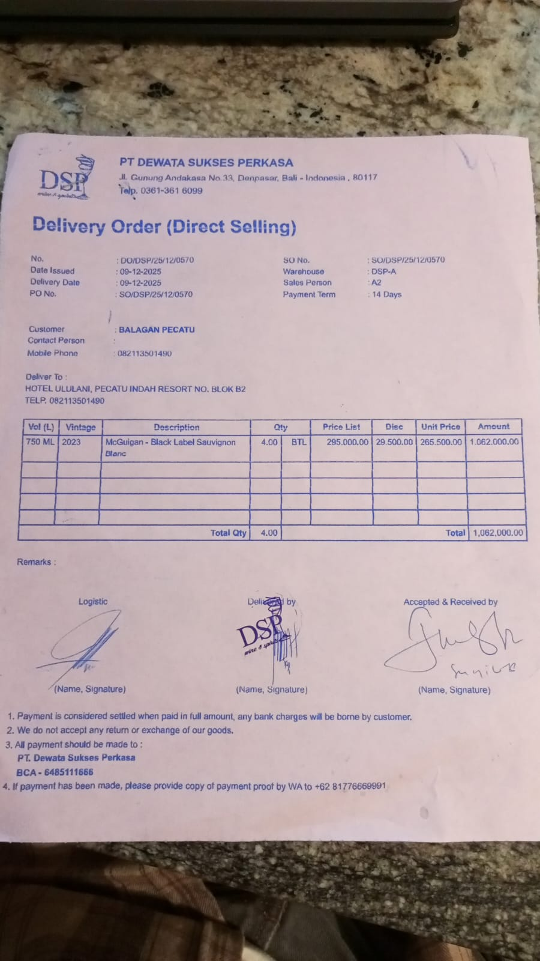
11-Dec-2025 | SO/DSP/25/12/0692 | HUNTER'S PINOT GRIS | 4 | IDR 385,000 | IDR 38,500 | IDR 346,500 | IDR 1,386,000 | IDR 2,718,000 | 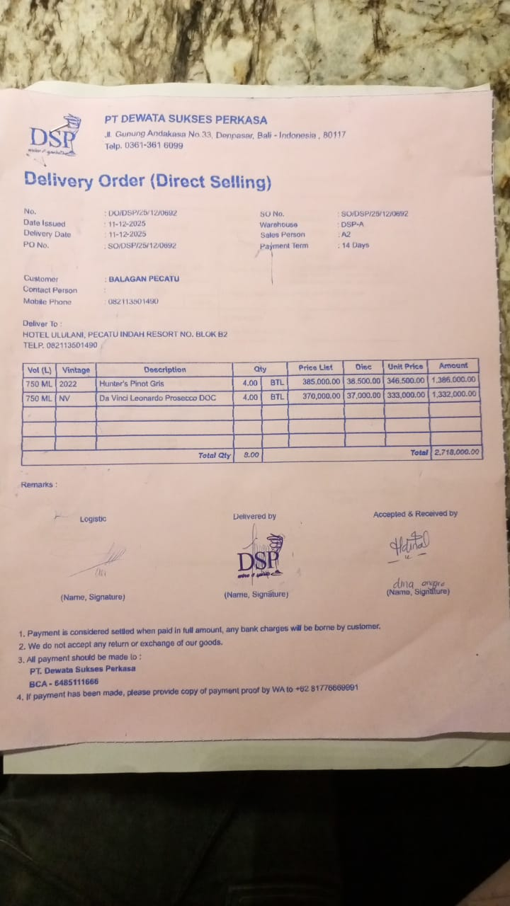
 |  | DA VINCI LEONARDO PROSECCO DOC | 4 | IDR 370,000 | IDR 37,000 | IDR 333,000 | IDR 1,332,000
15-Dec-2025 | SO/DSP/25/12/0908 | DONA DOMINGA CLASICO DE FAMILIA SYRAH | 3 | IDR 290,000 | IDR 29,000 | IDR 261,000 | IDR 783,000 | IDR 783,000 | 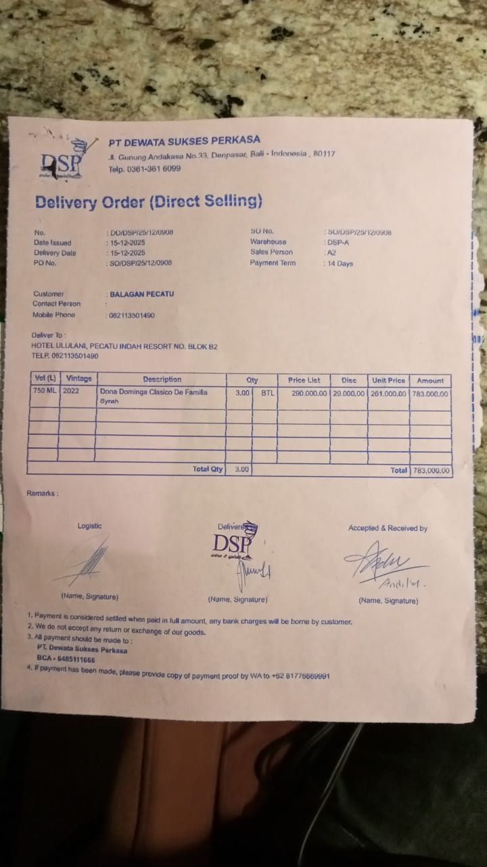
16-Dec-2025 | SO/DSP/25/12/1004 | SAN MARZANO TALO PRIMITIVO MERLOT | 3 | IDR 375,000 | IDR 37,500 | IDR 337,500 | IDR 1,012,500 | IDR 1,012,500 | 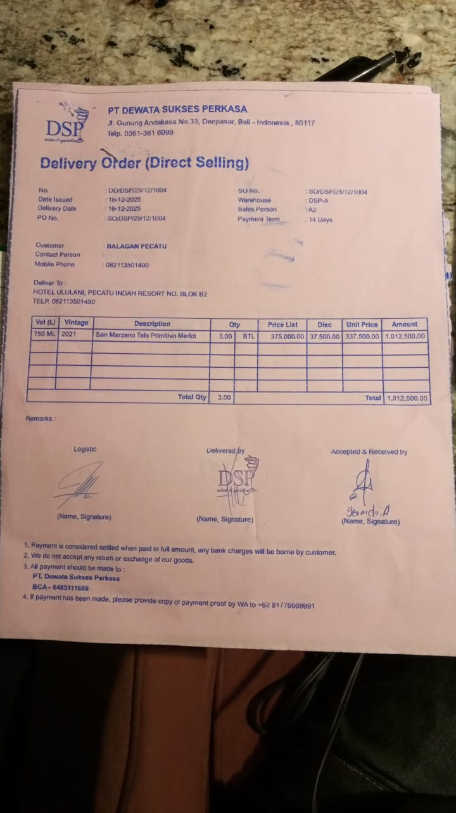
19-Dec-2025 | SOMDG/DSP/25/12/0138 | MDG - F VODKA | 3 | IDR 246,000 |  | IDR 246,000 | IDR 738,000 | IDR 738,000 | 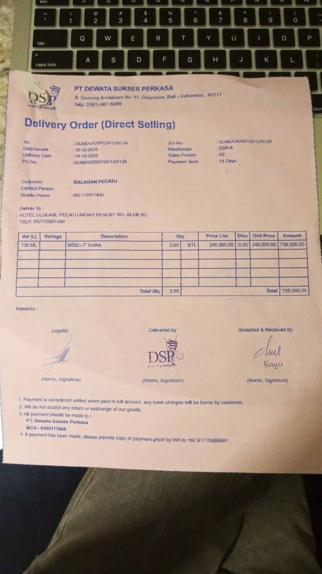
24-Dec-2025 | SO/DSP/25/12/1576 | ANTIGAL-ESTIMULO MALBEC | 3 | IDR 270,000 | IDR 27,000 | IDR 243,000 | IDR 729,000 | IDR 729,000 | 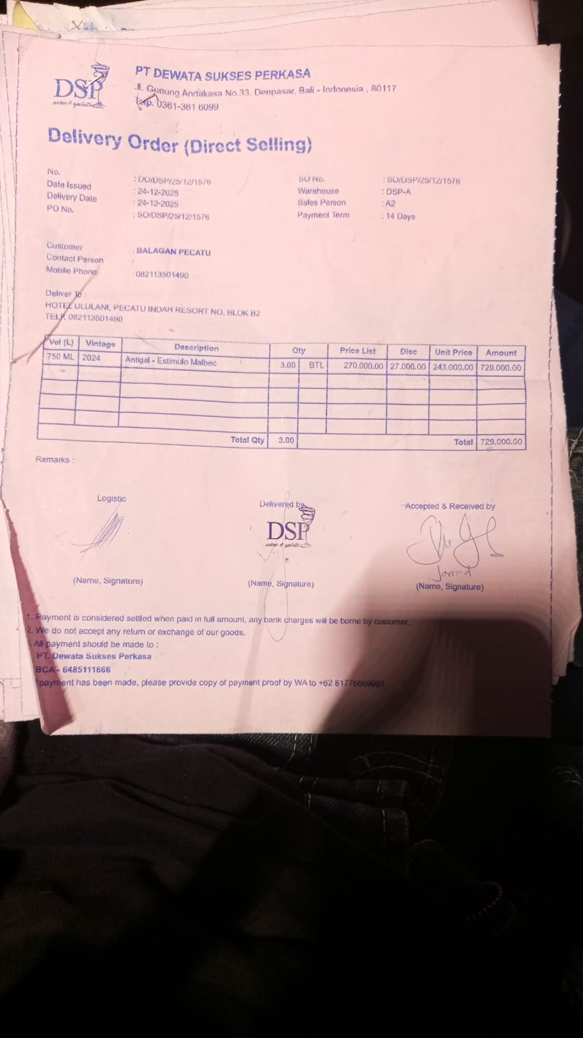
27-Dec-2025 | SO/DSP/25/12/1806 | MCGUIGAN - BLACK LABEL SAUVIGNON BLANC | 4 | IDR 295,000 | IDR 29,500 | IDR 265,500 | IDR 1,062,000 | IDR 1,062,000
28-Dec-2025 | SO/DSP/25/12/1870 | DA VINCI LEONARDO PROSECCO DOC | 4 | IDR 370,000 | IDR 37,000 | IDR 333,000 | Rp1,332,000 | IDR 1,332,000 | 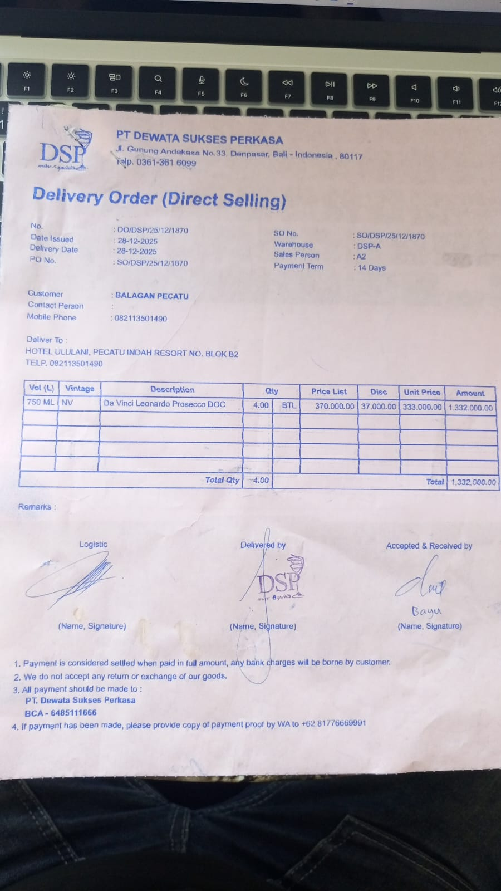
30-Dec-2025 | SO/DSP/25/12/2113 | HUNTER'S PINOT GRIS | 4 | IDR 385,000 | IDR 38,500 | IDR 346,500 | Rp1,386,000 | Rp4,846,500 | 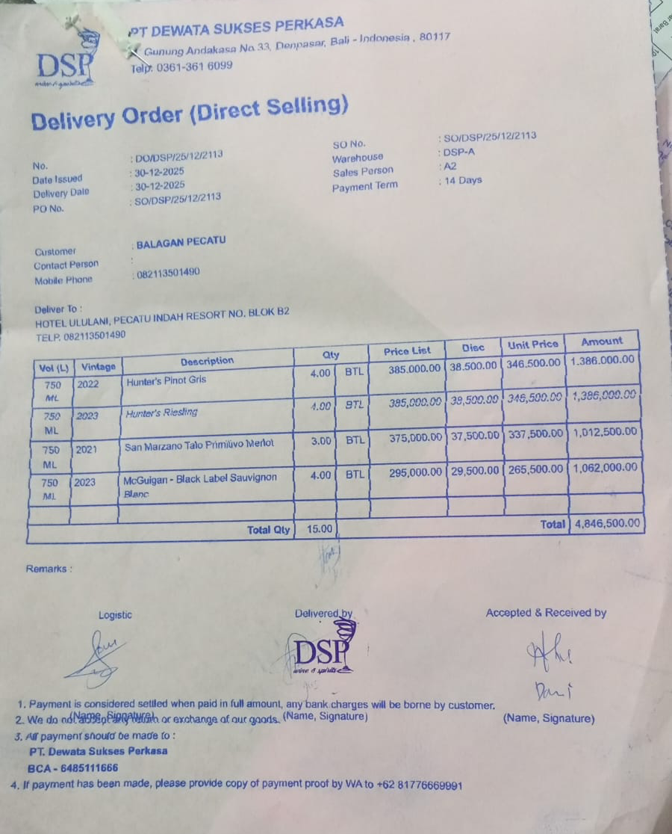
 |  | HUNTER'S RIESLING | 4 | IDR 385,000 | IDR 38,500 | IDR 346,500 | Rp1,386,000
 |  | SAN MARZANO TALO PRIMITIVO MERLOT | 3 | Rp375,000 | Rp37,500 | Rp337,500 | Rp1,012,500
 |  | MCGUIGAN-BLACK LABEL SAUVIGNON BLANC | 4 | Rp295,000 | Rp29,500 | Rp265,500 | Rp1,062,000
30-Dec-2025 | SOMDG/DSP/25/12/0226 | MDG - SACCHARUM WHITE RUM | 1 | Rp281,500 |  | Rp281,500 | Rp281,500 | Rp281,500 | 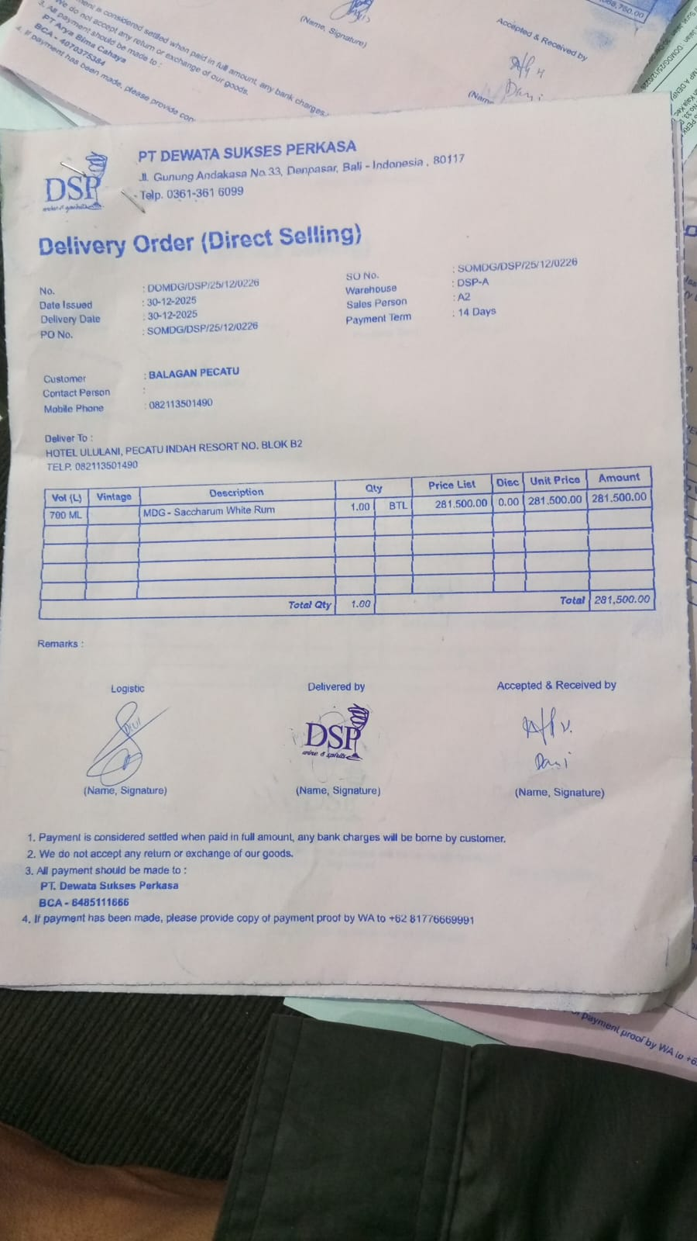
30-Dec-2025 | SO/DSP/25/12/2093 | DA VINCI LEONARDO PROSECCO DOC | 3 | Rp370,000 | Rp37,000 | Rp333,000 | Rp999,000 | Rp999,000 | 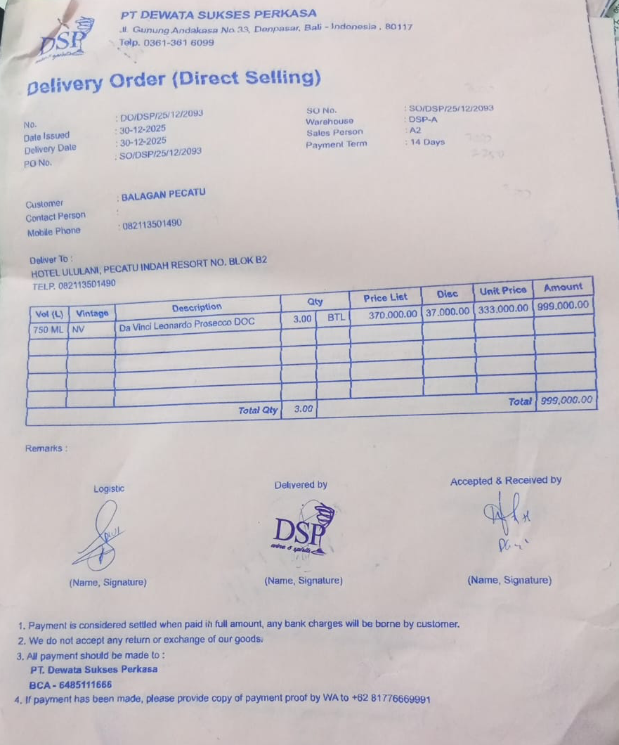
30-Dec-2025 | SO/DSP/25/12/2181 | DONA DOMINGA CLASICO DE FAMILIA SYRAH | 10 | Rp290,000 | Rp29,000 | Rp261,000 | Rp2,610,000 | Rp2,610,000 | 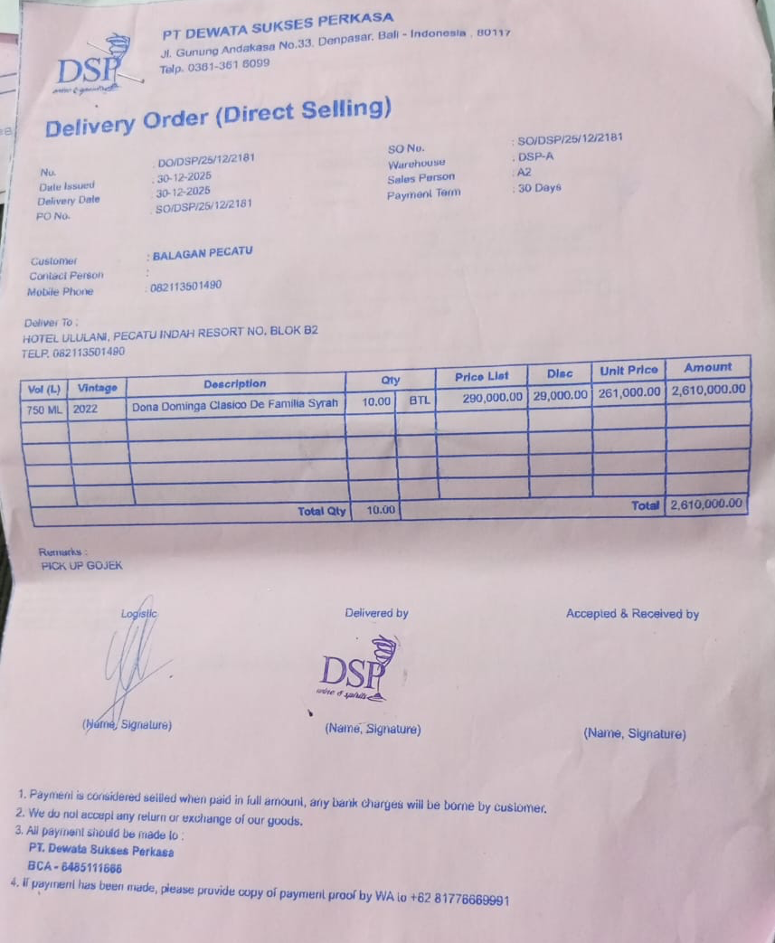
 |  |  |  |  | Rp- | Rp- | Rp- | Rp-
 |  |  |  |  | Rp- | Rp- | Rp- | Rp-
 |  |  |  |  | Rp- | Rp- | Rp- | Rp-
TOTAL |  |  |  |  | Rp18,173,500

